molecule 1
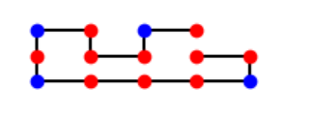
depth
stability | amount
0 | 88231
-1 | 83162
-2 | 34652
-3 | 11120
-4 | 2618
-5 | 536
-6 | 56
 | 0

